Pivot
Overview & key metric Section |  |  | No of Violation by Type |  |  | Active Violation by City |  |  | No ofActive & Solved - TAT |  |  | Solved by Compliance |  | Solved Violation by Compliance % |  | Solved Violation by Compliance %
Values |  |  | Row Labels | Total Violations |  | Row Labels | Active Violations |  | Row Labels | Sum of Active Violations | Sum of Solved Violations | Row Labels | Sum of Total Violations | Row Labels | Sum of Solved Violations | Row Labels | Active Violations | Solved Violations | Ignored Violations
Sum of Total Violations | 2307 |  | No License | 287 |  | Tokyo | 37 |  | <1 Day | 110 | 242 | Compliant | 409 | Severe Violation | 45% | Severe Violation | 310 | 471 | 217
Sum of Active Violations | 720 |  | Illegal U-turn | 316 |  | Singapore | 54 |  | <1 Month | 177 | 237 | Light Violation | 406 | Medium Violation | 18% | Medium Violation | 190 | 191 | 106
Sum of Solved Violations | 1041 |  | Seatbelt Violation | 352 |  | Paris | 68 |  | <1 Week | 283 | 338 | Medium Violation | 334 | Light Violation | 23% | Light Violation | 131 | 235 | 114
Sum of Ignored Violations | 531 |  | Speeding | 375 |  | Mumbai | 121 |  | <12 Hours | 150 | 224 | Severe Violation | 1158 | Compliant | 14% | Compliant | 89 | 144 | 94
Sum of Environment Managed | 1526 |  | No Helmet | 460 |  | Sydney | 126 |  | Grand Total | 720 | 1041 | Grand Total | 2307 | Grand Total | 100% | Grand Total | 720 | 1041 | 531
Sum of Total Rules | 1319 |  | Red Light Violation | 517 |  | London | 147
Sum of Environment Disabled | 273 |  | Grand Total | 2307 |  | New York | 167
 |  |  |  |  |  | Grand Total | 720

Metrics | Values |  |  |  |  | Row Labels | Active Violations | Helper
Total Violations | 2307 |  |  |  | Tokyo - 37 | Tokyo | 37 | 63
Active Violations | 720 | 31% |  |  | Singapore - 54 | Singapore | 54 | 46
Solved Violations | 1041 | 45% |  |  | Paris - 68 | Paris | 68 | 32
Ignored Violations | 531 | 23% |  |  | Mumbai - 121 | Mumbai | 121 | 79
Environment Managed | 1526 |  |  |  | Sydney - 126 | Sydney | 126 | 74
Total Rules | 1319 |  |  |  | London - 147 | London | 147 | 53
Environment Disabled | 273 |  |  |  | New York - 167 | New York | 167 | 33
 | 2307
 | 1041

Dashboard
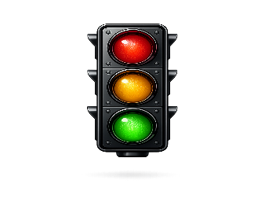

Traffic Violation and Compliance Dashboard

 | 2307
Violation Resolution %
 | 2307
 | 1041
Active
Violation %
 | 2307
 | 720
Ignored
Violation %
 | 2307
 | 531
Total Violations
Active Violation by City
 | Tokyo | Singapore | Paris | Mumbai | Sydney | London | New York
Active Violations | 37 | 54 | 68 | 121 | 126 | 147 | 167
Helper | 63 | 46 | 32 | 79 | 74 | 53 | 33
2307

Overview Summary
Follow Rules to Avoid Violations
No of Violation by Type
 | Total
No License | 287
Illegal U-turn | 316
Seatbelt Violation | 352
Speeding | 375
No Helmet | 460
Red Light Violation | 517

Environment
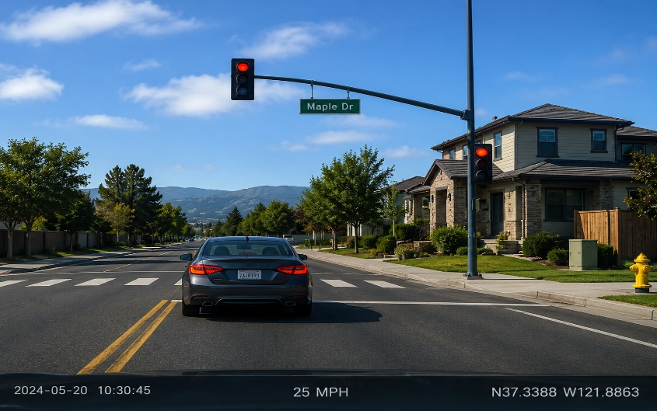
Disabled:
273
Managed:
1526

Rules
Total:
1319

Violation
Active:
Violation:
2307
720
Solved:
1041
Ignored:
531
STAY SAFE

Solved Violations Compliance
 | Total
Compliant | 409
Light Violation | 406
Medium Violation | 334
Severe Violation | 1158
Violations by Compliance
 | Total
Compliant | 409
Light Violation | 406
Medium Violation | 334
Severe Violation | 1158
Violations Status by Compliance
 | Active Violations | Solved Violations | Ignored Violations
Severe Violation | 310 | 471 | 217
Medium Violation | 190 | 191 | 106
Light Violation | 131 | 235 | 114
Compliant | 89 | 144 | 94
No of Active & Solved Violation by TAT
 | Sum of Solved Violations | Sum of Active Violations
<1 Day | 242 | 110
<1 Month | 237 | 177
<1 Week | 338 | 283
<12 Hours | 224 | 150

